Nouveautés ATE
 | 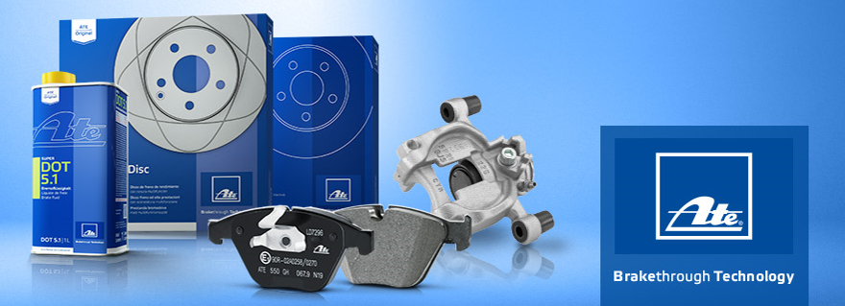 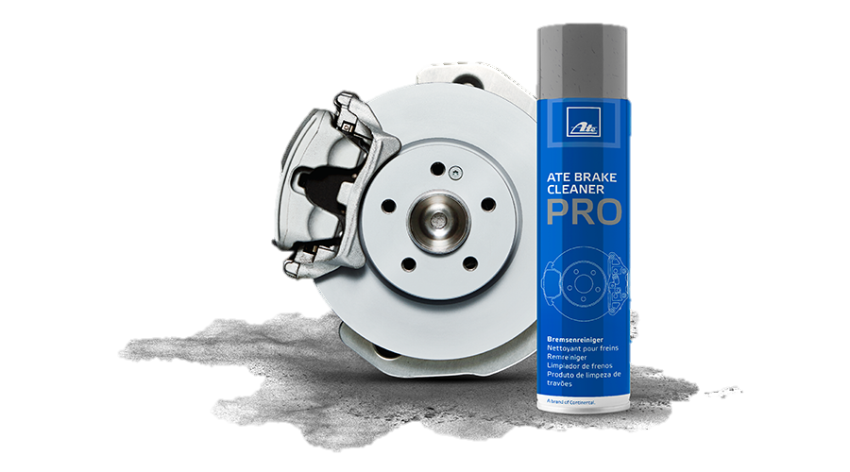 NOUVEAUTES ATE 2025
REF LONGUE TEC DOC | REF SAP | REF COURTE ATE | Famille de produit | TARIF Public France € H.T. 01072025 | Parc roulant France | Mois et Année Sortie | Applications
13.0460-2642.2 | 1304602642202 | 602642 | Plaquettes de frein | 157,08 € | 361 | 01.2025 | MERCEDES-BENZ G-CLASS (W463) / MERCEDES-BENZ GLE (V167) / MERCEDES-BENZ GLE Coupe (C167)
13.0460-4725.2 | 1304604725202 | 604725 | Plaquettes de frein | 185.40 € | 97,188 | 01.2025 | MERCEDES-BENZ SPRINTER 3,5-t Platform/Chassis (B907, B910) / MERCEDES-BENZ SPRINTER 3,5-t Tourer Bus (B907) / MERCEDES-BENZ SPRINTER 3,5-t Van (B907, B910) / MERCEDES-BENZ SPRINTER 3-t Platform/Chassis (B910, B907) / MERCEDES-BENZ SPRINTER 3-t Tourer Bus (B907) / MERCEDES-BENZ SPRINTER 4,6-t Bus (B906) / MERCEDES-BENZ SPRINTER 4,6-t Platform/Chassis (B906) / MERCEDES-BENZ SPRINTER 4,6-t Van (B906) / MERCEDES-BENZ SPRINTER 4-t Platform/Chassis (B907, B910) / MERCEDES-BENZ SPRINTER 4-t Tourer Bus (B907) / MERCEDES-BENZ SPRINTER 4-t Van (B907, B910) / MERCEDES-BENZ SPRINTER 5-t Bus (B906) / MERCEDES-BENZ SPRINTER 5-t Platform/Chassis (B906) / MERCEDES-BENZ SPRINTER 5-t Platform/Chassis (B907) / MERCEDES-BENZ SPRINTER 5-t Van (B906) / MERCEDES-BENZ SPRINTER 5-t Van (B907) / VW CRAFTER 30-35 Bus (2E_) / VW CRAFTER 30-50 Platform/Chassis (2F_) / VW CRAFTER 30-50 Van (2E_)
13.0460-5569.2 | 1304605569202 | 605569 | Plaquettes de frein | 121.50 € | 608 | 01.2025 | MITSUBISHI ECLIPSE CROSS (GK_, GL_)
13.0460-7376.2 | 1304607376202 | 607376 | Plaquettes de frein | 158.22 € | 65 | 01.2025 | VW MULTIVAN T7 (STM, STN)
13.0470-5564.2 | 1304705564202 | LD5564 | Plaquettes de frein CERAMIC | 182.20 € | 64,192 | 01.2025 | HYUNDAI TUCSON (NX4E, NX4A)
24.0120-0263.1 | 2401200263102 | 420263 | Disque Prix unitaire | 91.86 € | 20 | 01.2025 | SUZUKI SWIFT IV (FZ, NZ)
24.0127-0104.1 | 2401270104102 | 427104 | Disque Prix unitaire | 154.64 € | 6,819 | 01.2025 | ISUZU D-MAX I (TFR, TFS) | RODEO / ISUZU D-MAX I Platform/Chassis (TFR, TFS) / ISUZU D-MAX II (TFR, TFS) / ISUZU D-MAX II Platform/Chassis (TFR, TFS)
24.0128-0335.1 | 2401280335102 | 428335 | Disque Prix unitaire | 151.73 € | 39,395 | 01.2025 | TOYOTA FORTUNER (_N5_, _N6_) / TOYOTA HILUX VII Pickup (_N1_, _N2_, _N3_) | HILUX VIGO / TOYOTA HILUX VII Platform/Chassis (_N1_, _N2_) / TOYOTA HILUX VIII Pickup (_N1_) / TOYOTA HILUX VIII Platform/Chassis (_N1_)
24.0220-0049.1 | 2402200049102 | 480319 | Tambour de frein | 114.09 € | 80,762 | 01.2025 | OPEL AGILA (B) (H08) / SUZUKI SPLASH (EX) / SUZUKI SWIFT III (MZ, EZ) / VAUXHALL AGILA Mk II (B) (H08)
24.0220-0051.1 | 2402200051102 | 480326 | Tambour de frein | 128.41 € | 23,217 | 01.2025 | MAZDA 2 (DE_, DH_) / MAZDA 2 Hatchback (DL, DJ)
24.0220-3039.1 | 2402203039102 | 480331 | Tambour de frein | 167.93 € | 736,337 | 01.2025 | DACIA LOGAN III (3K_) / DACIA SANDERO III / RENAULT CLIO V (B7_) / RENAULT TALIANT / RENAULT TWINGO III (BCM_, BCA_) / SMART FORTWO Convertible (453) / SMART FORTWO Coupe (453)
24.0220-3044.1 | 2402203044102 | 480332 | Tambour de frein | 85.61 € | 76,255 | 01.2025 | HYUNDAI ACCENT III (MC) / HYUNDAI ACCENT III Saloon (MC) / HYUNDAI i10 I (PA) / HYUNDAI i10 II (BA, IA) | GRAND i10 / HYUNDAI i10 III (AC3, AI3) / HYUNDAI i20 I (PB, PBT) / KIA RIO II (JB) / KIA RIO II Saloon (JB)
24.0220-3049.1 | 2402203049102 | 480333 | Tambour de frein | 128.41 € | 49,358 | 01.2025 | NISSAN MICRA V (K14)
24.0222-0004.1 | 2402220004102 | 480327 | Tambour de frein | 81.49 € | 39,446 | 01.2025 | SUZUKI CARRY Bus / SUZUKI CARRY Platform/Chassis (FD, DA5_T, DA6_T) / SUZUKI JIMNY Closed Off-Road Vehicle (SN) / SUZUKI JIMNY Open Off-Road Vehicle (SN)
24.0710-2158.3 | 2407102158302 | 360708 | Capteur de vitesse de roue | 80.54 € | 34,742 | 01.2025 | HYUNDAI ix35 (LM, EL, ELH) | TUCSON / HYUNDAI ix35 Van
24.0710-2159.3 | 2407102159302 | 360717 | Capteur de vitesse de roue | 80.54 € | 34,742 | 01.2025 | HYUNDAI ix35 (LM, EL, ELH) | TUCSON / HYUNDAI ix35 Van
24.0710-2160.3 | 2407102160302 | 360718 | Capteur de vitesse de roue | 124.26 € | 63,226 | 01.2025 | HYUNDAI ix35 (LM, EL, ELH) | TUCSON / HYUNDAI ix35 Van / KIA SPORTAGE III (SL)
24.0710-2162.3 | 2407102162302 | 360719 | Capteur de vitesse de roue | 112.76 € | 39,112 | 01.2025 | HYUNDAI ix20 (JC) / KIA VENGA (YN) / KIA VENGA Hatchback Van (YN)
24.0710-2169.3 | 2407102169302 | 360695 | Capteur de vitesse de roue | 108.00 € | 99,483 | 01.2025 | TESLA MODEL 3 (5YJ3) / TESLA MODEL Y (5YJY)
24.0710-2170.3 | 2407102170302 | 360696 | Capteur de vitesse de roue | 108.00 € | 99,483 | 01.2025 | TESLA MODEL 3 (5YJ3) / TESLA MODEL Y (5YJY)
24.0710-2171.3 | 2407102171302 | 360700 | Capteur de vitesse de roue | 62.59 € | 320,367 | 01.2025 | ABARTH GRANDE PUNTO / ABARTH PUNTO / ABARTH PUNTO EVO / ALFA ROMEO MITO (955_) / FIAT GRANDE PUNTO (199_) / FIAT GRANDE PUNTO Van (199_) / FIAT PUNTO (188_) / FIAT PUNTO (199_) / FIAT PUNTO EVO (199_) / FIAT PUNTO EVO Hatchback Van (199_) / FIAT PUNTO Hatchback Van (199_) / OPEL CORSA D (S07) / OPEL CORSA D Hatchback Van (S07) / VAUXHALL CORSA Mk III (D) (S07) / VAUXHALL CORSAVAN Mk III (D) Hatchback Van (S07)
24.0710-2175.3 | 2407102175302 | 360702 | Capteur de vitesse de roue | 66.27 € | 3,192 | 01.2025 | LAND ROVER DEFENDER Station Wagon (L663) / LAND ROVER DEFENDER Van (L663)
24.0710-2176.3 | 2407102176302 | 360703 | Capteur de vitesse de roue | 50.32 € | 308,603 | 01.2025 | FORD B-MAX (JK) / FORD B-MAX Van (JK) / FORD FIESTA Saloon / FORD FIESTA VI (CB1, CCN) / FORD FIESTA VI Van / FORD KA+ III (UK, FK) / FORD KA+ III Saloon (TK, FK) | FIGO
24.0710-2177.3 | 2407102177302 | 360704 | Capteur de vitesse de roue | 40.50 € | 54,156 | 01.2025 | FORD B-MAX (JK) / FORD B-MAX Van (JK) / FORD FIESTA VI (CB1, CCN) / FORD FIESTA VI Van / FORD TOURNEO COURIER B460 MPV / FORD TRANSIT COURIER B460 Box Body/MPV / FORD TRANSIT COURIER B460 MPV
24.0710-2178.3 | 2407102178302 | 360705 | Capteur de vitesse de roue | 56.45 € | 68,752 | 01.2025 | FORD FIESTA Saloon / FORD FIESTA VI (CB1, CCN) / FORD FIESTA VI Van
24.0710-2179.3 | 2407102179302 | 360697 | Capteur de vitesse de roue | 40.50 € | 315,366 | 01.2025 | FORD ECOSPORT / FORD FIESTA Saloon / FORD FIESTA VI (CB1, CCN) / FORD FIESTA VI Van / FORD KA+ III (UK, FK) / FORD KA+ III Saloon (TK, FK) | FIGO
24.0710-2180.3 | 2407102180302 | 360698 | Capteur de vitesse de roue | 46.64 € | 1,316,231 | 01.2025 | CITROËN BERLINGO (ER_, EC_) / CITROËN BERLINGO Box Body/MPV (K9) / CITROËN C5 AIRCROSS (A_) / DS DS 3 / DS 3 CROSSBACK (UR_, UC_, UJ_) / DS DS 4 II (FR_, FB_, F3_) / DS DS 7 (J4_, JC_) / DS DS 7 Crossback (J4_, JR_, JC_) / DS DS 9 (X2_) / OPEL COMBO Box Body/MPV (K9) / OPEL COMBO E Tour / Life (K9) / OPEL GRANDLAND / GRANDLAND X (A18, P1UO) / OPEL GRANDLAND X Van / PEUGEOT 3008 II SUV (MC_, MR_, MJ_, M4_) / PEUGEOT 3008 Van (MR_, MC_, MJ_) / PEUGEOT 308 III (FB_, FH_, FP_, F3_, FM_) / PEUGEOT 308 SW III (FC_, FJ_, FR_, F4_, FN_) / PEUGEOT 408 II (FP_, F3_) / PEUGEOT 5008 II (MC_, MJ_, MR_, M4_) / PEUGEOT 5008 II Van (MC_, MJ_) / PEUGEOT 508 II (FB_, FH_, F3_) / PEUGEOT 508 SW II (FC_, FJ_, F4_) / PEUGEOT PARTNER Box Body/MPV (K9) / PEUGEOT RIFTER / TOYOTA PROACE CITY Box Body/MPV (BPZ_) / TOYOTA PROACE CITY VERSO MPV (BKY_) / VAUXHALL COMBO Mk IV (E) Box Body/MPV (K9) / VAUXHALL COMBO Mk IV (E) Life (K9) / VAUXHALL GRANDLAND X / GRANDLAND (A18)
24.0710-2181.3 | 2407102181302 | 360706 | Capteur de vitesse de roue | 34.12 € | 8,179 | 01.2025 | FORD C-MAX II (DXA/CB7, DXA/CEU) / FORD GRAND C-MAX (DXA/CB7, DXA/CEU)
24.0710-2192.3 | 2407102192302 | 360699 | Capteur de vitesse de roue | 131.32 € | 2,533 | 01.2025 | LAND ROVER DISCOVERY SPORT (L550) / LAND ROVER RANGE ROVER EVOQUE (L551)
24.0710-2197.3 | 2407102197302 | 360707 | Capteur de vitesse de roue | 81.69 € | 382,402 | 01.2025 | AUDI A1 Allstreet (GBH) / AUDI A1 City Carver (GBH) / AUDI A1 Sportback (GBA) / CUPRA LEON (KL1, KU1, KUG) / CUPRA LEON Sportstourer (KL8, KU8, KUD) / SEAT ARONA (KJ7, KJP) / SEAT IBIZA V (KJ1, KJG) / SEAT LEON (KL1, KLG) / SEAT LEON Sportstourer (KL8, KLD) / SEAT TARRACO (KN2) / SKODA FABIA IV (PJ3) / SKODA KAMIQ (NW4) / SKODA KAROQ (NU7, ND7) / SKODA KODIAQ I (NS6, NS7, NV7) / SKODA OCTAVIA IV (NX3, NN3, PV3) / SKODA OCTAVIA IV Combi (NX5, PV5) / SKODA SCALA (NW1) / VW CADDY CALIFORNIA V Camper (SBB, SBJ) / VW PASSAT B9 Variant (CJ5) / VW TAIGO (CS1) / VW TAOS (CL1, CP1, CQ1) / VW T-CROSS (C11, D31)
...

